RES Model Graph
 | PUC DOCKET NO.
 | ONCOR ELECTRIC DELIVERY COMPANY LLC
 | MODEL INFORMATION
 | FOR THE TEST YEAR ENDING DECEMBER 31, 2021

 | SPONSOR: D. E. NELSON

Line
No.
1 | Residential Model
2 | After Corrective Procedures for Autocorrelation
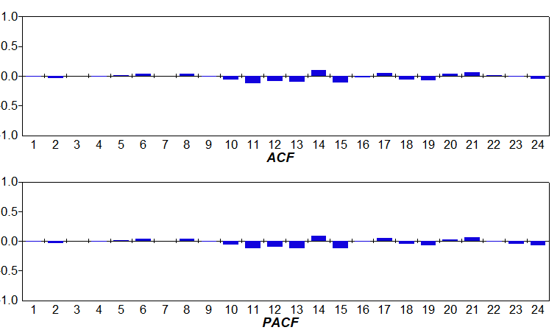
3
4
5
6
7
8
9
10
11
12
13
14
15
16
17
18
19
20
21
22
23
24
25
26
27
28

SECLE10KW Model Graph
 | PUC DOCKET NO.
 | ONCOR ELECTRIC DELIVERY COMPANY LLC
 | MODEL INFORMATION
 | FOR THE TEST YEAR ENDING DECEMBER 31, 2021

 | SPONSOR: D. E. NELSON

Line
No.
1 | Secondary Service Less Than or Equal to 10 KW Model
2 | After Corrective Procedures for Autocorrelation
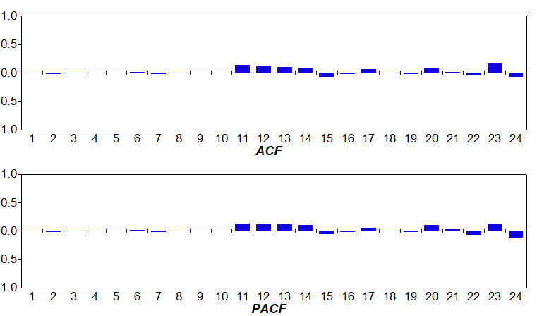
3
4
5
6
7
8
9
10
11
12
13
14
15
16
17
18
19
20
21
22
23
24
25
26
27
28

SECGT10KW Model Graph
 | PUC DOCKET NO.
 | ONCOR ELECTRIC DELIVERY COMPANY LLC
 | MODEL INFORMATION
 | FOR THE TEST YEAR ENDING DECEMBER 31, 2021

 | SPONSOR: D. E. NELSON

Line
No.
1 | Secondary Service Greater Than 10 KW Model
2 | After Corrective Procedures for Autocorrelation
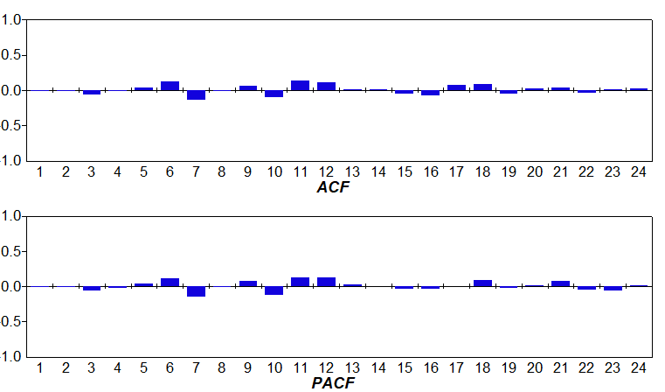
3
4
5
6
7
8
9
10
11
12
13
14
15
16
17
18
19
20
21
22
23
24
25
26
27
28

PRMGT10KWD Model Graph
 | PUC DOCKET NO.
 | ONCOR ELECTRIC DELIVERY COMPANY LLC
 | MODEL INFORMATION
 | FOR THE TEST YEAR ENDING DECEMBER 31, 2021

 | SPONSOR: D. E. NELSON

Line
No.
1 | Primary Service Greater Than 10 KW Distribution Line Model
2 | Before Corrective Procedures for Autocorrelation
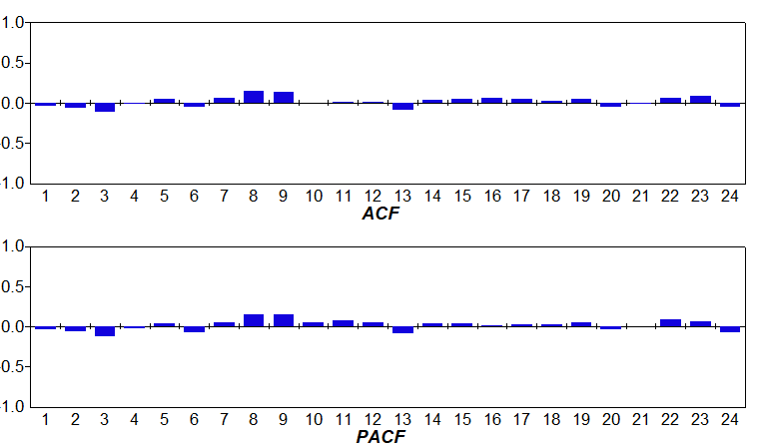
3
4
5
6
7
8
9
10
11
12
13
14
15
16
17
18
19
20
21
22
23
24
25
26
27
28

SUB Model Graph
 | PUC DOCKET NO.
 | ONCOR ELECTRIC DELIVERY COMPANY LLC
 | MODEL INFORMATION
 | FOR THE TEST YEAR ENDING DECEMBER 31, 2021

 | SPONSOR: D. E. NELSON

Line
No.
1 | Primary Service Greater Than 10 KW Substation Model
2 | After Corrective Procedures for Autocorrelation
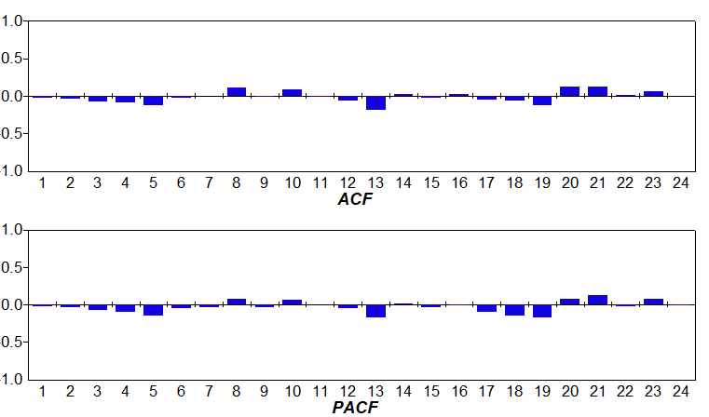
3
4
5
6
7
8
9
10
11
12
13
14
15
16
17
18
19
20
21
22
23
24
25
26
27
28

RES B Model Graph
 | PUC DOCKET NO.
 | ONCOR ELECTRIC DELIVERY COMPANY LLC
 | MODEL INFORMATION
 | FOR THE TEST YEAR ENDING DECEMBER 31, 2021

 | SPONSOR: D. E. NELSON

Line
No.
1 | Residential B Model
2 | Before Corrective Procedures for Autocorrelation
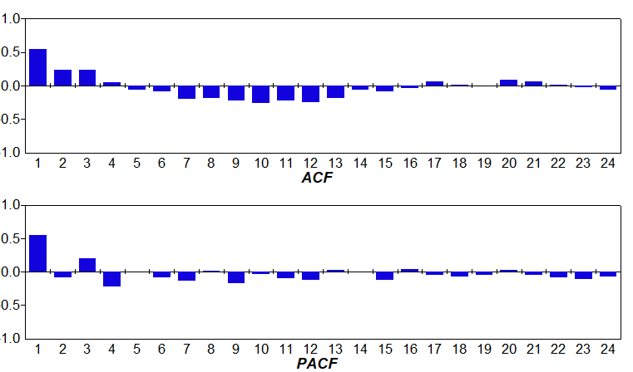
3
4
5
6
7
8
9
10
11
12
13
14
15
16
17
18
19
20
21
22
23
24
25
26
27
28

SECLE10KW B Model Graph
 | PUC DOCKET NO.
 | ONCOR ELECTRIC DELIVERY COMPANY LLC
 | MODEL INFORMATION
 | FOR THE TEST YEAR ENDING DECEMBER 31, 2021

 | SPONSOR: D. E. NELSON

Line
No.
1 | Secondary Service Less Than or Equal to 10 KW B Model
2 | Before Corrective Procedures for Autocorrelation
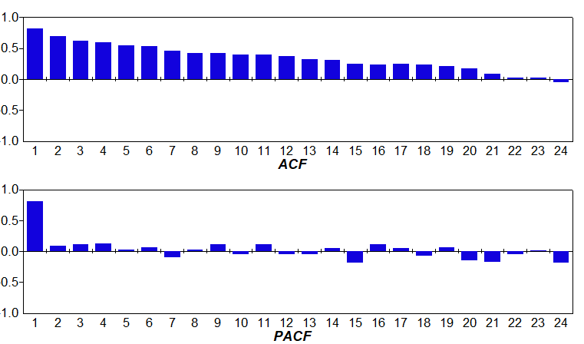
3
4
5
6
7
8
9
10
11
12
13
14
15
16
17
18
19
20
21
22
23
24
25
26
27
28

SECGT10KW B Model Graph
 | PUC DOCKET NO.
 | ONCOR ELECTRIC DELIVERY COMPANY LLC
 | MODEL INFORMATION
 | FOR THE TEST YEAR ENDING DECEMBER 31, 2021

 | SPONSOR: D. E. NELSON

Line
No.
1 | Secondary Service Greater Than 10 KW B Model
2 | Before Corrective Procedures for Autocorrelation
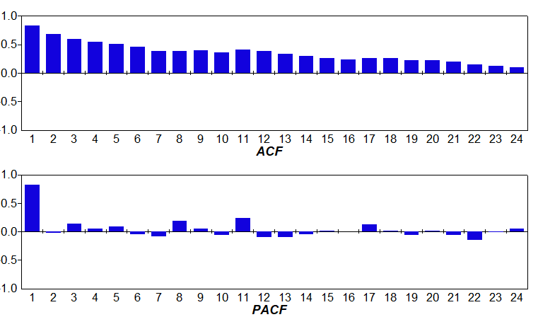
3
4
5
6
7
8
9
10
11
12
13
14
15
16
17
18
19
20
21
22
23
24
25
26
27
28

PRMGT10KWD B Model Graph
 | PUC DOCKET NO.
 | ONCOR ELECTRIC DELIVERY COMPANY LLC
 | MODEL INFORMATION
 | FOR THE TEST YEAR ENDING DECEMBER 31, 2021

 | SPONSOR: D. E. NELSON

Line
No.
1 | Primary Service Greater Than 10 KW Distribution Line B Model
2 | Before Corrective Procedures for Autocorrelation
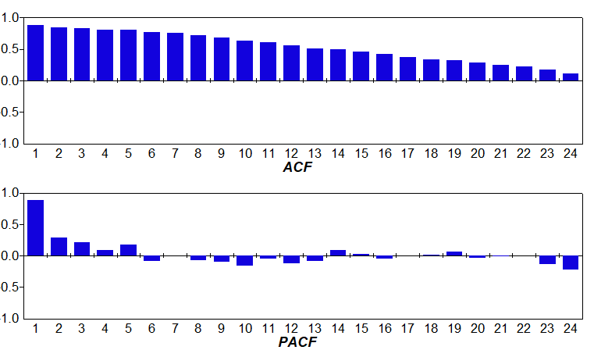
3
4
5
6
7
8
9
10
11
12
13
14
15
16
17
18
19
20
21
22
23
24
25
26
27
28

SUB B Model Graph
 | PUC DOCKET NO.
 | ONCOR ELECTRIC DELIVERY COMPANY LLC
 | MODEL INFORMATION
 | FOR THE TEST YEAR ENDING DECEMBER 31, 2021

 | SPONSOR: D. E. NELSON

Line
No.
1 | Primary Service Greater Than 10 KW Substation B Model
2 | Before Corrective Procedures for Autocorrelation
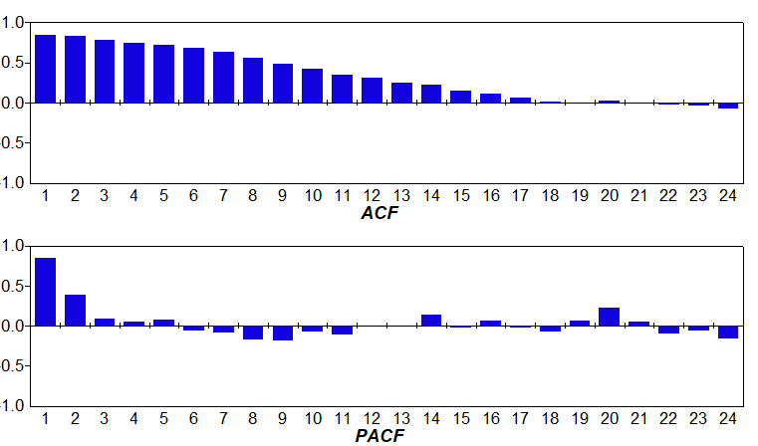
3
4
5
6
7
8
9
10
11
12
13
14
15
16
17
18
19
20
21
22
23
24
25
26
27
28

